model dia
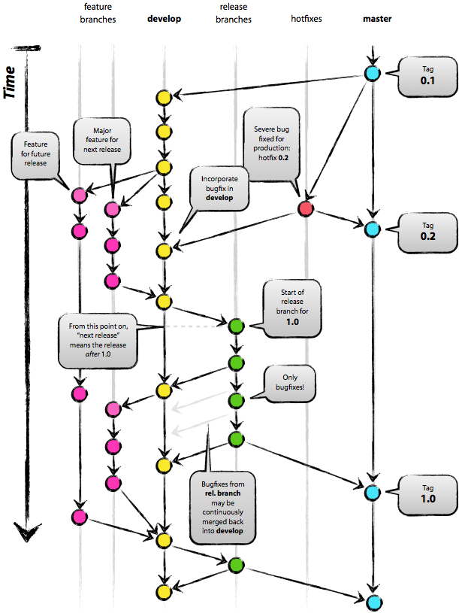
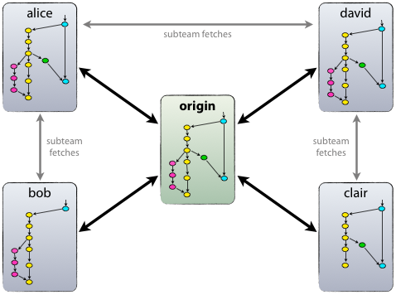

Каждый разработчик забирает и публикует изменения (pull & push) в origin. Но, помимо централизованных отношений push-pull, каждый разработчик также может забирать изменения от остальных коллег внутри своей микро-команды. Например, этот способ может быть удобен в ситуации, когда двое или более разработчиков работают вместе над большой новой фичей, но не могут издать незавершённую работу в origin раньше времени. На картинке выше изображены подгруппы Алисы и Боба, Алисы и Дэвида, Клэр и Дэвида.

Технически это реализуется несложно: Алиса создаёт удалённую ветку Git под названием bob, которая указывает на репозиторий Боба, а Боб делает то же самое с её репозиторием.

Следовательно, каждый раз, когда изменения вливаются в главную ветвь (master), мы по определению получаем новый релиз. Мы стараемся относиться к этому правилу очень строго, так что, в принципе, мы могли бы использовать хуки Git, чтобы автоматически собирать наши продукты и выкладывать их на рабочие сервера при каждом коммите в главную ветвь (master).

comments
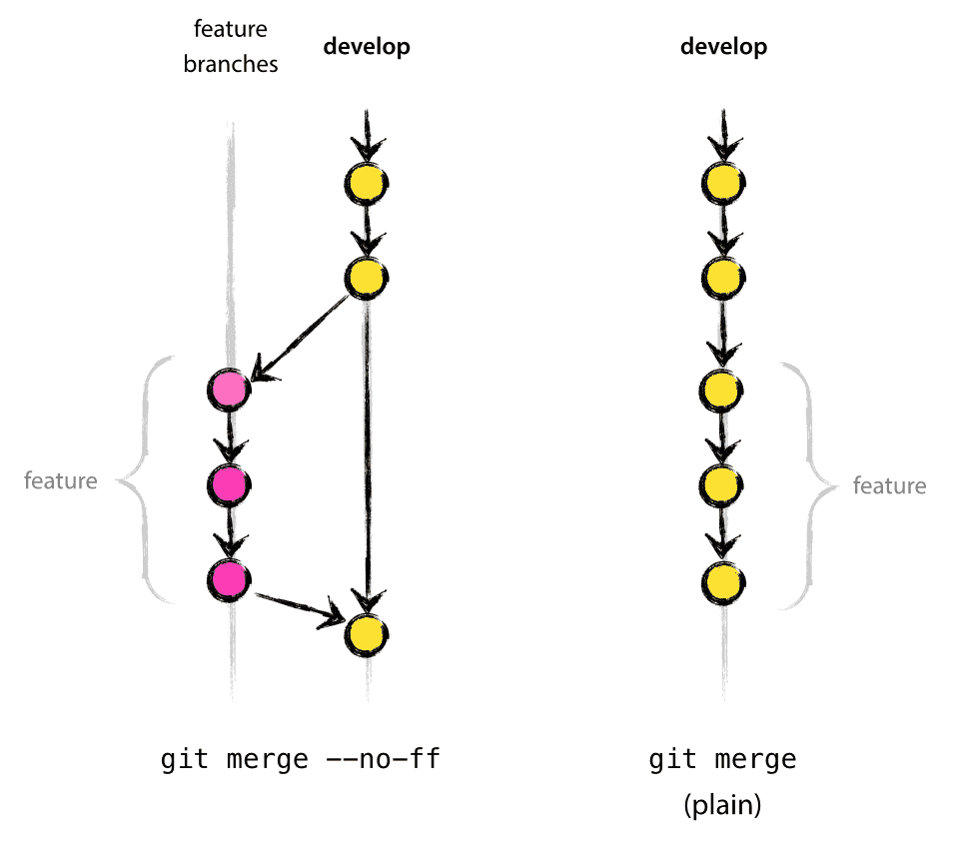
to feature* | The --no-ff flag causes the merge to always create a new commit object, even if the merge could be performed with a fast-forward. This avoids losing information about the historical existence of a feature branch and groups together all commits that together added the feature. Compare:
 | In the latter case, it is impossible to see from the Git history which of the commit objects together have implemented a feature—you would have to manually read all the log messages. Reverting a whole feature (i.e. a group of commits), is a true headache in the latter situation, whereas it is easily done if the --no-ff flag was used.
 | Yes, it will create a few more (empty) commit objects, but the gain is much bigger that that cost.
 | Unfortunately, I have not found a way to make --no-ff the default behaviour of git merge yet, but it really should be.

